NOTES

Excel Data Validation Examples

The following worksheets have various completed Data Validation examples as mentioned in the following Support.Office.com article:

See more online: Apply Data Validation to cells

Each worksheet is listed below, along with what kind of Data Validation you'll find

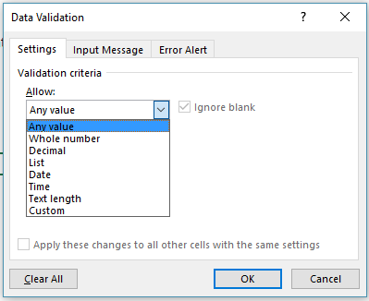
Worksheet | Data Validation Type | • Data Validation is limited to the following options:
Whole number | Limit entries to whole numbers
Decimal | Limit entries to decimal (percentage) values
Departments | Limit selections to list choices
Cost centers table | Table for Cost center list source
Cost center budget | Limit selections to Cost center list choices
Date | Limit entries to dates within a range
Time | Limit entries between a time frame
Text length | Limit entries to a certain number of characters
HR Budget | Limit entries to a certain maximum amount
Products | Require entries to meet certain text guidelines
Age verification | Limit entries below a certain age
Custom values | Limit entries to unique values only (no repeated entries)
E-Mail | Require entries to contain the @ symbol

• Cells highlighted like this are for input:
Input here

Whole number
Ranking
• This example limits users to entries between 1 (Minimum) and 10 (Maximum).
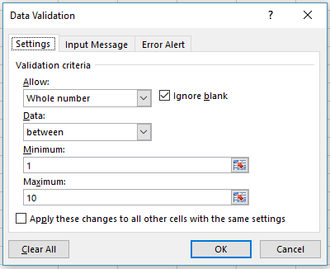
Data Validation - Limit entry to a whole number
 |  | • Limit entry to values between 1 and 10
Ranking
7

Dependents
• This example limits users to entries greater than or equal to 2 times the value in cell A14. The Minimum value is determined by a formula:
=2*A14
Number of Dependents | Deductions
2 | 4

 |  | • Use a formula to limit an entry
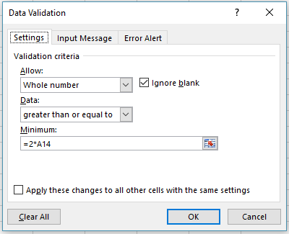

See more online: Apply Data Validation to cells

Decimal
Decimal
• This example limits users to a decimal (percent) value less than or equal to 3%.
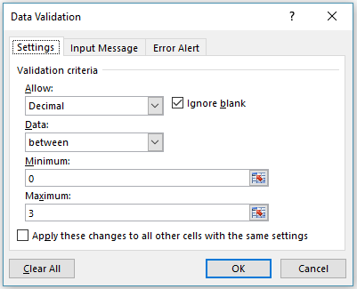
Data Validation - Limit entry to a decimal
 |  |  | • Limit entry to a decimal value less than or equal to 3%
Current Salary | Annual Merit Increase | New Salary
$50,000 | 3.0% | $51,500

See more online: Apply Data Validation to cells

Departments
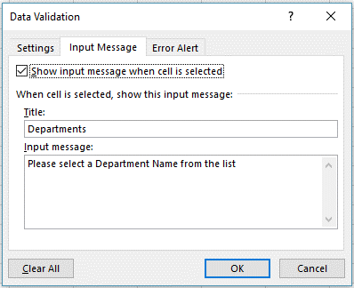
Steps
1. Add your list data and format it as a Table (Home tab > Styles > Format as Table).
2. It's not necessary, but you can name your table from the Table tools tab - this one is named "DepartmentTable". This will help you keep track of multiple tables.
3. Add a Named Range for your list, by selecting the list range (A4:A10 in this case), then from the Formulas tab select Name Manager, and input an appropriate name. This one is named "DepartmentList".
4. Select the cell where you want your Data Validation list (D4 in this case), and go to the Data tab > Data Validation > Allow List > Source > "=DepartmentList".
5. Add Input and Error Messages as needed.
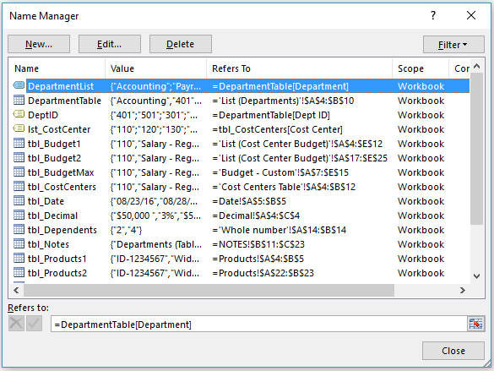
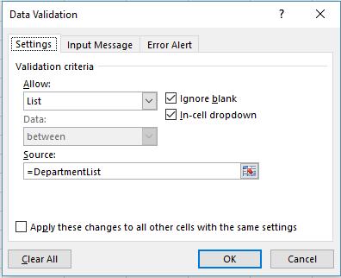
Data Validation List with a Table for a source
 |  |  | • Use the Name Manger to create and manage Defined Names | • Create your Data Validation List
Department | Dept ID | Department
Accounting | 401 | Sales
Payroll | 501
Human Resources | 301
Sales | 201
Marketing | 601
Operations | 701
Executive | 101

See more online: Apply Data Validation to cells

 |  |  |  | • Add Input & Error Messages

Cost centers table
Excel Table that can be used for a Data Validation List source

Cost Centers
• This list is used in the second example in the next worksheet (Cost Center Budget).
• It's named "lst_CostCenter" in the Name Manager (Formulas > Name Manager).
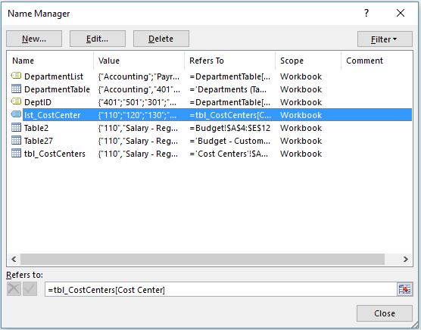
DID YOU KNOW?
• If you use Excel Tables for your Data Validation List source, then your lists will be dynamic - that is, they will automatically adjust themselves as you add or remove items!
Cost Center | Category | • Use the Name Manger to create and manage Defined Names
110 | Salary - Regular Wages
120 | Salary - Hourly Wages
130 | Salary - Commission
140 | Salary - Bonus
150 | Salary - Vacation
160 | Salary - Sick Time
170 | Tax - Fed
180 | Tax - State
190 | Tax - SDI

See more online: Apply Data Validation to cells

Cost center budget
Cost Centers
• This example limits users to Cost Center entries from 100-999 in range A4:A12.
• Or look at the next example if you want to use the list from the Cost Centers worksheet to set up a list selection.
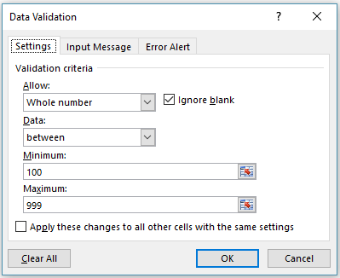
Data Validation - Limit a list to certain entries
 |  |  |  |  | • Limit users to entries between 100-999
Cost Center | Category | Current Year Projected | Future Year Budget | Variance
110 | Salary - Regular Wages | 63,578 | 60,000 | (3,578)
120 | Salary - Hourly Wages | 19,721 | 25,000 | 5,279
130 | Salary - Commission | 37,500 | 40,000 | 2,500
140 | Salary - Bonus | 12,605
150 | Salary - Vacation | 28,391 | 30,000 | 1,609
160 | Salary - Sick Time | 7,303 | 8,500 | 1,197
170 | Tax - Fed | 44,985 | 50,000 | 5,015
180 | Tax - State | 20,287 | 21,000 | 713
190 | Tax - SDI | 1,470 | 1,500 | 30

Data Validation - Use the Cost Center list

Use VLOOKUP to return the Category name
• Note the VLOOKUP formula example in both tables that returns the Category name based on the Cost Center entry/selection.
• You can click this to learn more about VLOOKUP.
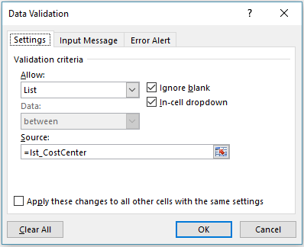
Cost Center | Category | Current Year Projected | Future Year Budget | Variance
110 | Salary - Regular Wages | 63,578 | 60,000 | (3,578) | • Use the Cost Center list instead
120 | Salary - Hourly Wages | 19,721 | 25,000 | 5,279
130 | Salary - Commission | 37,500 | 40,000 | 2,500
140 | Salary - Bonus | 12,605
150 | Salary - Vacation | 28,391 | 30,000 | 1,609
160 | Salary - Sick Time | 7,303 | 8,500 | 1,197
170 | Tax - Fed | 44,985 | 50,000 | 5,015
180 | Tax - State | 20,287 | 21,000 | 713
190 | Tax - SDI | 1,470 | 1,500 | 30

See more online: Apply Data Validation to cells

Date
Date Entries
• This example limits users to entering a start date after today by using the TODAY() function, and an end date after the start date.
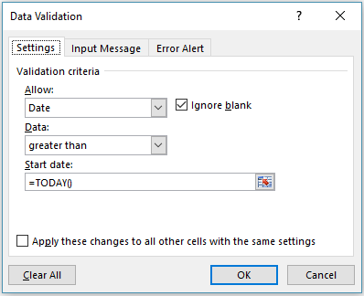
Data Validation - Limit users to date entries only
 |  | • Use the Date option to limit the Start Date
Time Off Request
Start Date | End Date
2016-09-08 | 2016-09-13

 |  | • Use the Date option to limit the End Date
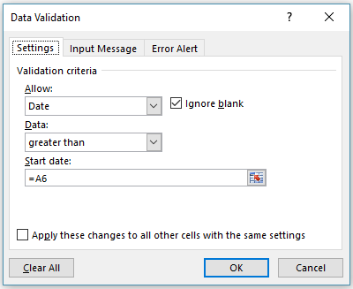
See more online: Apply Data Validation to cells

Time
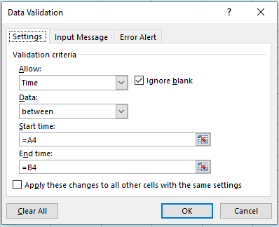
Time Entries
• This example (cell C4) limits users to entering time values between cells A4 & B4 (8:00 AM and 5:00 PM).
• Note that this example uses references to the values in cells A4 & B4 instead of inputting the values into the Data Validation dialog. It's much easier to update those values when they're in cells.
Data Validation - Limit users to time entries only
 |  |  | • Use the Start & End Time options to limit Time entries
Start Time | End Time | Meeting Time
8:00:00 | 17:00:00 | 9:30:00

See more online: Apply Data Validation to cells

Text length
Limit Text Length
• This example (cell A4) limits users to text entries less than 25 characters by using the "less than or equal to" Data option.
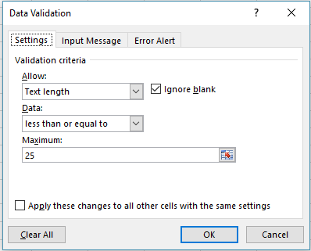
Data Validation - Limit entries to a certain text length
 | • Text Length Settings
Enter text up to 25 characters
Enter a brief description

See more online: Apply Data Validation to cells

HR Budget
Data Validation - Limit entries to a set value

Limit entries to a set value
• This example (cell D10) limits users to a whole number entry less than or equal to the value in cell E4
• Note that this example uses a reference to the value in cell E4 instead of inputting the value into the Data Validation dialog. It's much easier to update that value when it's in a cell.

 |  |  |  |  | • Allow a whole number entry limited to a set value
Budget Input -- Human Resources |  |  | Budget Maximum | 65,000

Cost Center | Category | Current Year Projected | Future Year Budget | Variance
110 | Salary - Regular Wages | 63,578 | 60,000 | (3,578)
120 | Salary - Hourly Wages | 19,721 | 25,000 | 5,279
130 | Salary - Commission | 37,500 | 40,000 | 2,500
140 | Salary - Bonus | 12,605 | 25,000 | 12,395
150 | Salary - Vacation | 28,391 | 30,000 | 1,609
160 | Salary - Sick Time | 7,303 | 8,500 | 1,197
170 | Tax - Fed | 44,985 | 50,000 | 5,015
180 | Tax - State | 20,287 | 21,000 | 713
190 | Tax - SDI | 1,470 | 1,500 | 30

See more online: Apply Data Validation to cells

Products
Custom Option to restrict a Text entry
• This example uses the Custom option in cells A4:A5.
• In this case the user can only enter a Product ID beginning with the text "ID-" and 9 or more total characters by using the formula:
=AND(LEFT(A4,3)="ID-",LEN(A4)>9)
• Another option would be to use a Custom Number Format from the Format Cells dialog (Ctrl+1) - See the example below.
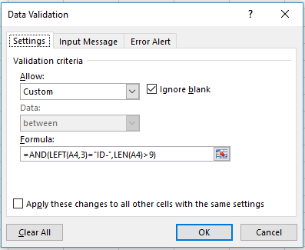
Data Validation - Custom option with a formula to restrict a text entry
 |  | • Custom option for Product ID entry
Product ID | Product Name
ID-1234567 | Widget
ID-29876534 | Fetzer Valve

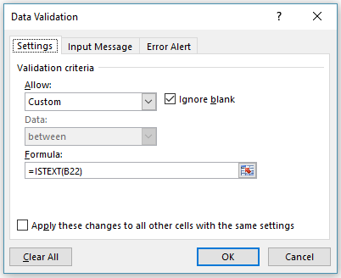
Custom Option to ensure a Text entry
• This example uses the Custom option in cells B22:B23.
• In this case the user can only enter a Product Name that is text, so it can't be just numeric:
=ISTEXT(B22)
Data Validation - Custom option with a formula to ensure a text entry
 |  | • Custom option to ensure a Text (non-numeric only) entry
Product ID | Product Name
ID-1234567 | Widget
ID-29876534 | Fetzer Valve

Custom Number Format
• Another option for the Product ID would be to use a Custom Number Format from the Format Cells dialog (Ctrl+1) to automatically display the "ID-" text, and allow the user to only enter the actual Product ID numbers. Note that the text "ID-" isn't actually part of the Product ID, it's just displayed for you.
• Custom Format - "ID-"#######
• You could still use Data Validation to limit the overall Text entry length however.
Custom Number Format |  | • Custom Number format
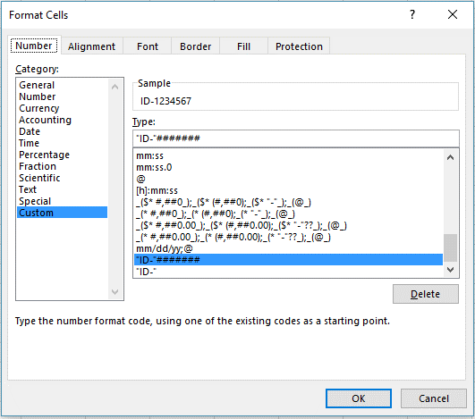
Product ID | Product Name
ID-1234567 | Widget
ID-29876534 | Fetzer Valve

See more online: Apply Data Validation to cells

Age verification
Custom Option
• This example uses the Custom option in cell B6 to determine if a participant meets a set age requirement.
• In this case the user can only enter an employee age that is greater than 18 (this can be changed in cell B4).
=IF(B6<=(TODAY()-(365*B4)),TRUE,FALSE)
• This formula uses TRUE/FALSE arguments to evaluate the entries. If the condition is TRUE, then Data Validation will allow the entry to be confirmed, otherwise it will be rejected.
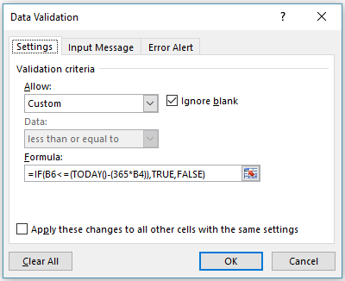
Data Validation - Custom format to verify age requirement
 |  | • Custom option to verify age requirement
Does a participant meet an age requirement?
Age Limit: | 18
Must be born before: | 1998-09-12
Birthday: | 1996-01-15
Current Age: | 20.66

See more online: Apply Data Validation to cells

Custom values
Data Validation - Custom option to ensure Unique entries only

Custom Option - Unique Entries Only
• This example uses the Custom option for cells A4:A12
• In this case the user can only enter a value that has not already been entered in the range.
=COUNTIF($A$4:$A$12,A4)=1
• This formula counts the number of times each entry has been made and will only allow it if it's been entered once (unique), otherwise Data Validation will reject it.
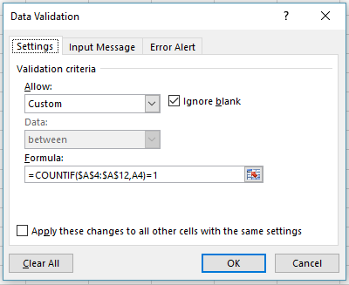
Unique List | • Custom option to ensure Unique entries only
1
2
3
4
5
6
7
8
9

See more online: Apply Data Validation to cells

E-Mail
Data Validation - Custom option for e-mail address validation
Custom Option - E-Mail validation
• This example (cell A4) uses the Custom option to validate an e-mail address entry.
• In this case the user can only enter a value that includes the @ symbol for an e-mail address. It's not a perfect validation method, but it should work for most cases.
=ISNUMBER(FIND("@",A4))
• This formula uses the FIND function to look for the @ symbol in the text entry. If it exists, then FIND will return a number, which is the @ symbol's position in the text string and allow the entry to pass. If the @ symbol isn't found, then the fomula will return an error, which ISNUMBER will force Data Validation to reject.
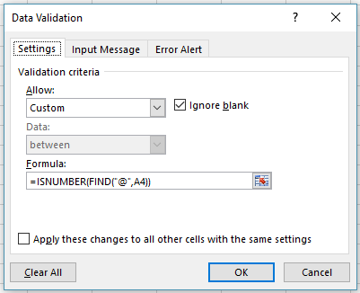
E-Mail Address | • Custom option for e-mail address validation
bob@msn.com

See more online: Apply Data Validation to cells

